No.6
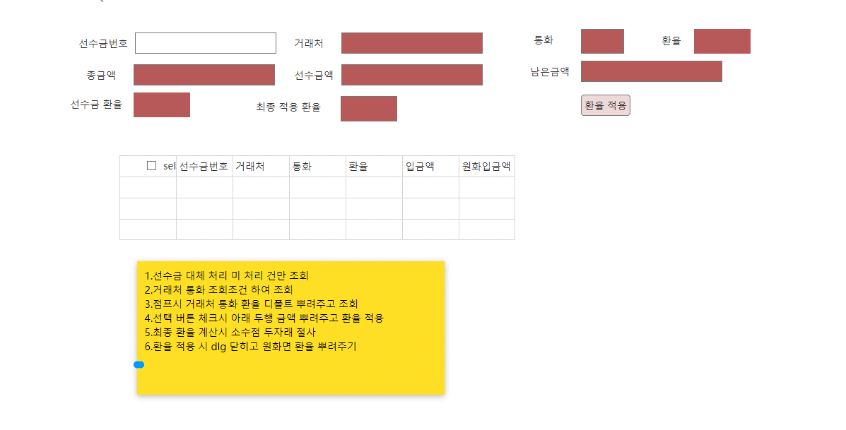

calc rule: apply rate = (advace receipt amout *ex rate+remain amount(total-receipt amout)*rate) / total amout

 |  | park_TSLSalesReceiptExrate | 매출선수금환율정보_park
 | key | columnname | remark | dsp | order | datatype | length | decimal length | null option
 | 1 | CompanySeq | 법인코드 |  |  | int
 | 1 | SalesSeq | 매출내부코드 |  |  | int
 | 1 | ReceiptSeq | 선수금내부코드 |  |  | int
 |  | CurAmt | 금액 | Receipt curamt |  | decimal | 19,5
 |  | ExRate | 환율 | Receipt exrate |  | decimal | 19,5
 |  | Remark | 비고 |  |  | nvarchar | 500
 |  | LastUserSeq | 최종사용자코드 |  |  | int
 |  | LastDateTime | 최종사용자시간 |  |  | datetime

 |  | park_TSLSalesReceiptSlipExrate | 매출선수금전표환율정보_park

 | key | columnname | remark | dsp | order | datatype | length | decimal length | null option
 | 1 | CompanySeq | 법인코드 |  |  | int
 | 1 | SalesSeq | 매출내부코드 |  |  | int
 | 1 | SlipSeq | 전표행내부코드 |  |  | int
 |  | Sel | 선택 |  |  | nchar | 1
 |  | IsStop | 중단여부 | not use |  | nchar | 1
 |  | CurAmt | 금액 | 외화잔액 |  | decimal | 19,5
 |  | ExRate | 환율 |  |  | decimal | 19,5
 |  | Remark | 비고 |  |  | nvarchar | 500
 |  | LastUserSeq | 최종사용자코드 |  |  | int
 |  | LastDateTime | 최종사용자시간 |  |  | datetime
 |  | SDAmt | 매출적용외화금액 |  |  | decimal | 19,5

 |  | park_TSLSalesReceiptSlipUse | 선수금전표사용_park
 | key | columnname | remark | dsp | order | datatype | length | decimal length | null option
 | 1 | CompanySeq | 법인코드 |  |  | int
 | 1 | SlipSeq | 전표행내부코드 |  |  | int
 |  | IsStop | 중단여부 |  |  | nchar | 1
 |  | LastUserSeq | 최종사용자코드 |  |  | int
 |  | LastDateTime | 최종사용자시간 |  |  | datetime

calc rate
회계일 |  |  | fromdate -todate

거래처 |  |  |  | 통화 |  |  | 환율 |  | 판매금액

선수금 환율 |  |  |  | 선수금액 |  |  |  |  | 남은금액

최종 적용 환율 |  |  |  |  |  | 환율적용 |  |  | 완료포함 | 중단처리 | 다른 매출 건 사용여부

선택 | 중단 여부 | 다른 매출 건 사용여부 | 전표번호 | 회계전표번호 | 거래처 | 적요 |  | 발생금액(원화) | 반제금액(원화) | 잔액(원화) | 외화발생금액(A) | 외화반제금액(B) | 매출적용외화금액 | 매출기적용외화금액(C) | 외화잔액(A-B-C) | 매출외화환율계산금액 | 통화 | 환율 | 관리항목1명 | 관리항목1값 | 관리항목2명 | 관리항목2값 | 기표부서 | 기표자 | 비고 | => 원장에서 외화선수금 대변의 내역만 끌어오면 될것 같은데 가능한지?
 |  |  |  |  |  |  |  |  |  |  | 100 | 30 | 0 | 20 | 50 | 50
 | 다른 매출 건이 사용 될 경우 선택 불가 |  |  |  |  |  |  |  |  |  |  |  | 활성화 | 비활성 |  | 비활성
 |  |  |  |  |  |  |  |  |  |  |  |  | SDAmt | SDAAmt |  | SCRAmt
 |  |  |  |  |  | 한건 선수금을 여러 매출에서 사용 할 경우 나눈다음 다시 매출 처리에서 환율 계산
 |  |  |  |  |  | 대변) 외화선수금 100원 (잘못들어간 내역)

 |  |  |  |  |  | 대변) 외화선수금 20원 (수정할 내역)
 |  |  |  |  |  | 외화선수금 80원 (수정할 내역)

 |  |  |  |  |  | 거래처 정보가 잘못 됬을 경우 전표 수정 후 다시 환율 계산

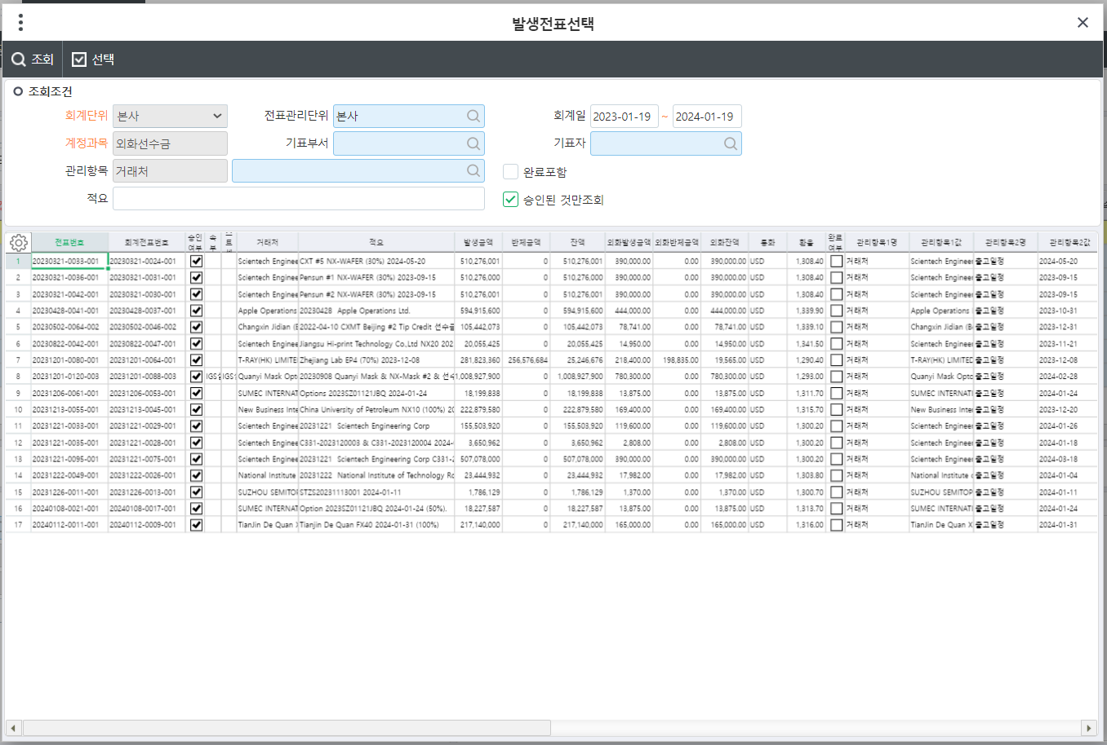
 |  |  |  |  |  |  |  |  |  |  |  |  |  |  |  |  |  |  |  | RegEmpSeq | 기표자코드 | RegEmpName | 기표자
 |  |  |  |  |  |  |  |  |  |  |  |  |  |  |  |  |  |  |  | RegDeptSeq | 기표부서코드 | RegDeptName | 기표부서

거래처 승인 출력물 design-No.10
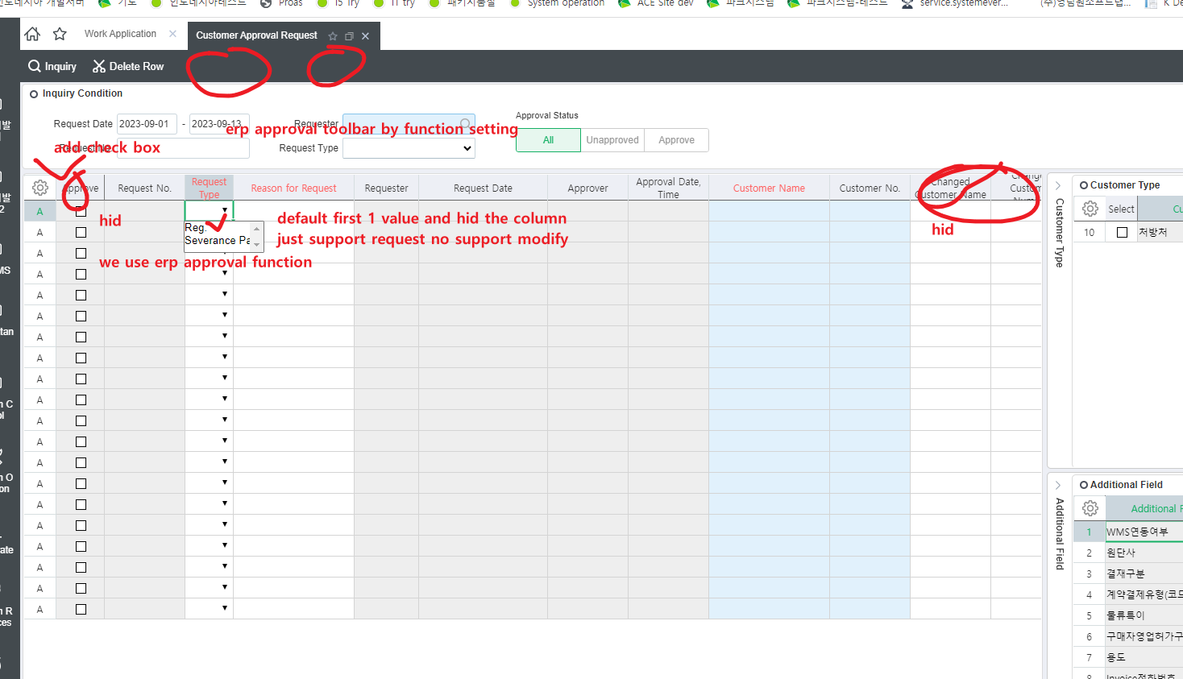

admin pgm
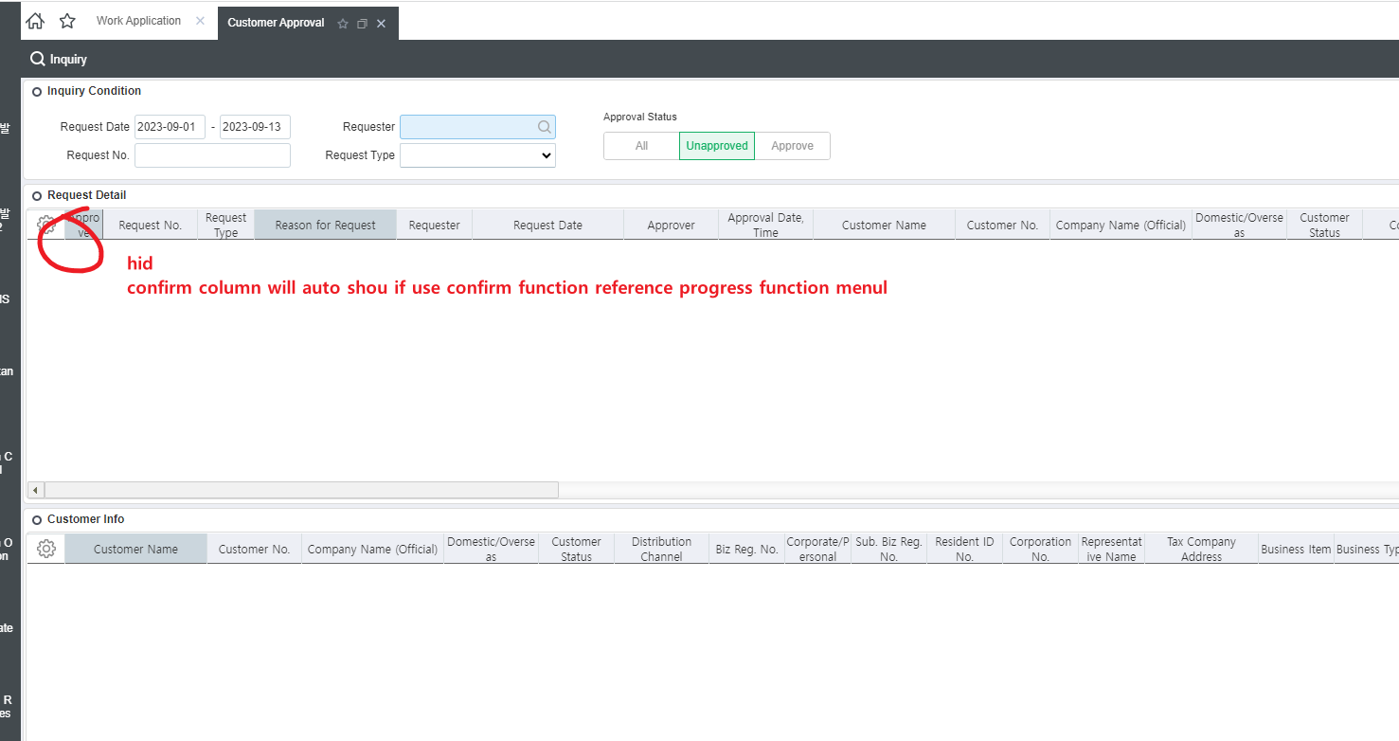

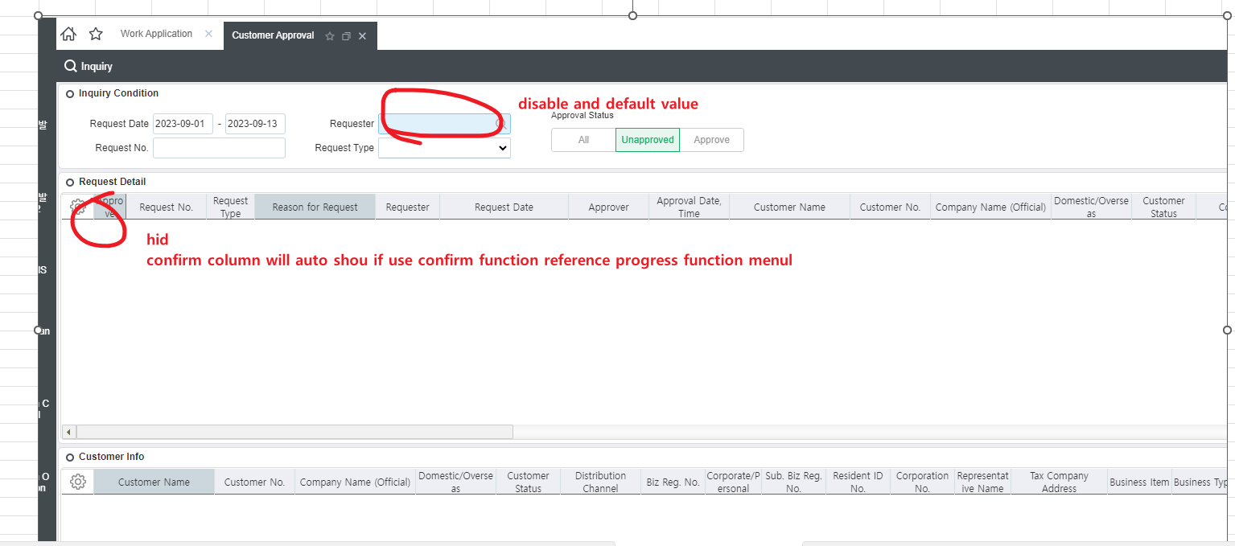
self pgm

 | park_TDACustReq | 거래처승인요청계좌정보_park
 | key | columnname | remark | order | datatype | length | decimal length | null option | codehelpmapping | codehelptable | remark
key | CompanySeq | 법인내부코드 |  | 1 | INT
key | ReqSeq | 요청코드 |  | 2 | INT
 | BankAccNo | 계좌번호 |  | 3 | nvarchar | 400
 | UMBankHQ | 금융기관 |  | 4 | int |  |  |  | 금융기관 | user define majorseq = 4003
 | Owner | 예금주 |  | 5 | nvarchar | 100
 | CustSeq | 거래처내부코드 |  | 6 | int |  |  |  |  |  | insert _TDACustBankAcc key
 | CustBankAccSerl | 일련번호 |  | 7 | int |  |  |  |  |  | insert _TDACustBankAcc key
 | LastUserSeq | 작업자 |  | 8 | INT
 | LastDateTime | 작업일시 |  | 9 | DATETIME
 | Swiftcode | Swift code |  | 10 | nvarchar | 100

 | insert into 500264

근무조정신청서-Groupware design-no.15
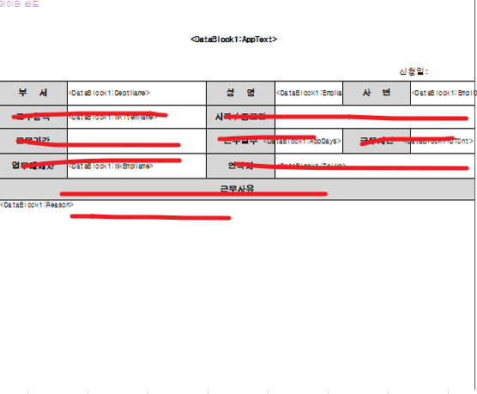

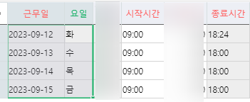

거래처 승인 출력물-No.10
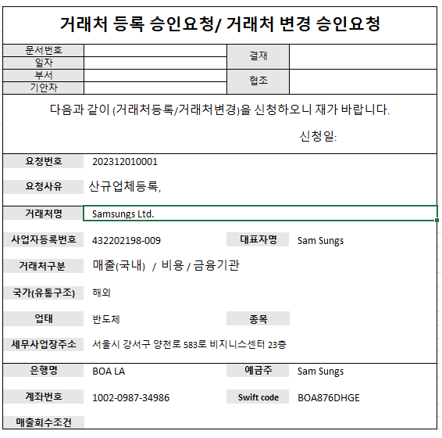
 | title logic | if SMReqKind = 1191001 | 거래처 등록 승인 요청
 |  | if SMReqKind = 1191002 | 거래처 변경 승인 요청
 |  | 요청번호 | ReqNo
 |  | 요청사유 | Remark
 |  | 거래처명 | CustName
다음과 같이 신청하오니 재가 바랍니다. |  | 사업자등록번호 | BizNo
 |  | 대표자명 | Owner
 |  | 거래처구분 | UMCustKindName | multi line to 1 line use / identify
 |  | 국가(유통구조) | UMChannelName
 |  | 업태 | BizType
 |  | 종목 | BizKind
 |  | 세무사업장주소 | BizAddr
 |  | Swift code | Swiftcode
 |  | 은행명 | UMBankHQName
 |  | 예금주 | Owner
 |  | 계좌번호 | BankAccNo
 |  | 매출회수조건 | CustBillReceiptInfo | SMReceiptStd(minorname)+'/'+SMSalesPoint(minorname)+'/'+SMReceiptMethod(minorname) get from _VWDACustSalesReceiptCond join _tdasminor get the name | if exists in connect with companyseq custseq /SMReceiptMethod _VWDACustSalesReceiptCond get from viw table if not exists get from right side sub sp | EXEC dbo._SWCOMEnv @CompanySeq, 8054, @UserSeq, @@PROCID, @SMSalesPoint OUTPUT -- 청구처매출시점
 |  |  |  |  | if exists in connect with companyseq custseq /SMSalesPoint _VWDACustSalesReceiptCond get from viw table if not exists get from right side sub sp | EXEC dbo._SWCOMEnv @CompanySeq, 8064, @UserSeq, @@PROCID, @SMReceiptMethod OUTPUT -- 매출청구방법
 |  |  |  |  | if exists in connect with companyseq custseq /SMCondStd _VWDACustSalesReceiptCond get from viw table if not exists get from right side sub sp | EXEC dbo._SWCOMEnv @CompanySeq, 8063, @UserSeq, @@PROCID, @SMReceiptStd OUTPUT -- 매출회수조건기준
 |  |  |  |  | priority : 1._VWDACustSalesReceiptCond /2.envvalue

 |  |  |  |  | 매출청구방법 | SMReceiptMethod
 |  |  |  |  | 청구처매출시점 | SMSalesPoint
 |  |  |  |  | 매출회수조건기준 | SMCondStd

